Screenshots
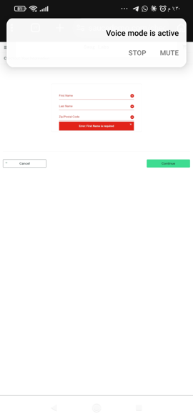

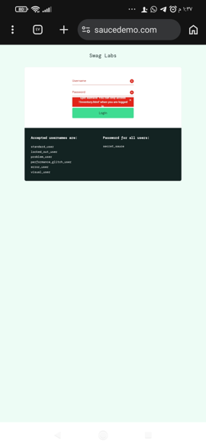
Screenshots

#1 - TC-03: login with empty fields shows the username error | #2 - TC-06: invalid username shows the "do not match any user" error | #3 - BUG-001: Backpack shows a dog image on the Inventory page
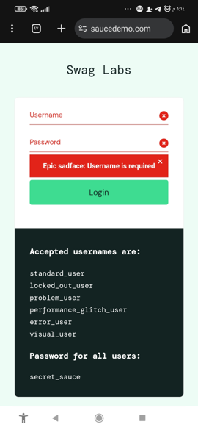
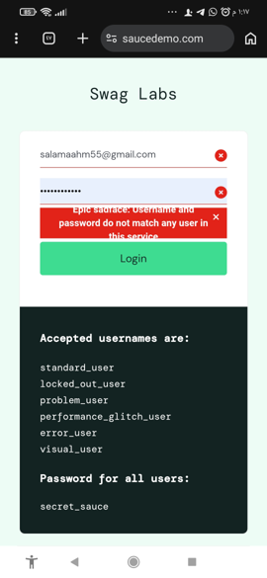
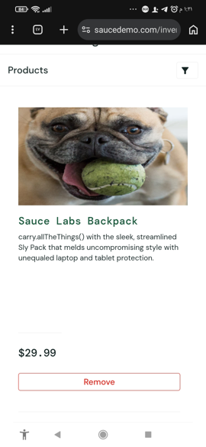

#4 - BUG-007: opening the Backpack leads to the Fleece Jacket page ($49.99) | #5 - BUG-001 / TC-09: all 6 products show the same dog image, names and prices are correct | #6 - BUG-006: Last Name stays empty, the typed value goes into the first field
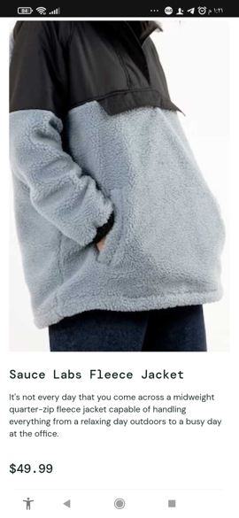
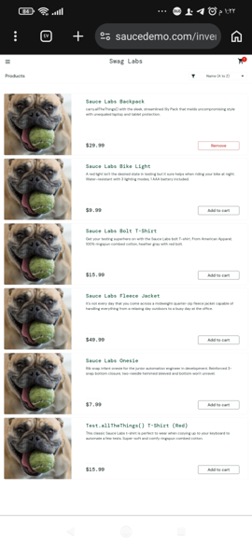
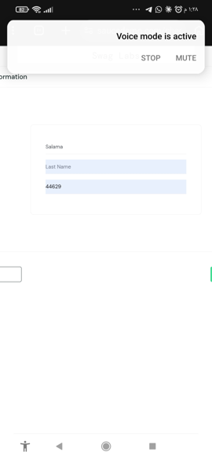

#7 - TC-32: Continue with empty fields shows "First Name is required" | #8 - TC-37: Cancel returns to the Cart page | #9 - TC-41: opening /inventory.html without login is blocked

